Sheet1
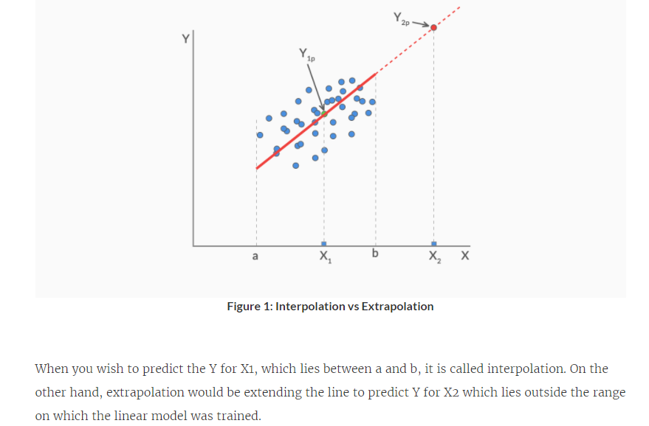
Industry Relevance of Linear Regression

Interpolation basically means using the model to predict the value of a dependent variable on independent values that lie within the range of data you already have. Extrapolation, on the other hand, means predicting the dependent variable on the independent values that lie outside the range of the data the model was built on.

